Sheet1
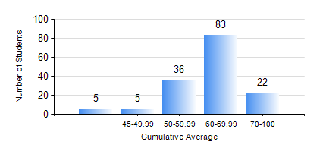
 |  |  | KWAME NKRUMAH UNIVERSITY OF SCIENCE AND TECHNOLOGY, KUMASI Department of Geological Engineering

 |  |  | BSC. GEOLOGICAL ENG.

 |  |  | COMPREHENSIVE RECORD OF EXAMINATION RESULTS

 |  |  | RESULTS OF YEAR 3 SECOND SEMESTER, 2021/2022 ACADEMIC YEAR

 | Sn | Course Code |  | Course Name | Credit Hours | Min. Mark | Max. Mark | Avg. Mark | Std. Dev. | No. Passed | No. Trailed | No. (Df) | No. (I) | No. (I*) | No. Tagged(I,I*,Df) | Total
 | 0. |  |  |  |  |  |  | 0 | 0 | 0 | 0 | 0 | 0 | 0 | 0 | 1
 | 1. | CE 360 |  | FOUNDATION ENGINEERING | 3 | 30 | 75 | 54 | 9.84 | 142 | 8 | 0 | 0 | 0 | 0 | 150
 | 2. | GED 342 |  | MINING PRINCIPLES | 2 | 34 | 93 | 69 | 11.43 | 148 | 2 | 0 | 0 | 0 | 0 | 150
 | 3. | GED 352 |  | PRINCIPLES OF GEOCHEMISTRY | 2 | 21 | 84 | 61 | 10.98 | 147 | 3 | 0 | 0 | 0 | 0 | 150
 | 4. | GED 354 |  | PRINCIPLES OF GEOPHYSICS | 3 | 15 | 89 | 62 | 13.04 | 136 | 6 | 8 | 0 | 0 | 8 | 150
 | 5. | GED 364 |  | STRUCTURAL GEOLOGY | 3 | 28 | 87 | 53 | 10.7 | 142 | 8 | 0 | 0 | 0 | 0 | 150
 | 6. | GED 366 |  | MINERAL ECONOMICS AND EVALUATION | 3 | 14 | 87 | 69 | 11.76 | 147 | 3 | 0 | 0 | 0 | 0 | 150
 | 7. | GED 368 |  | GIS APPLICATIONS | 2 | 27 | 82 | 54 | 11.29 | 138 | 12 | 0 | 0 | 0 | 0 | 150

